State wise Report
 | SATE/ UT
85.5 | 19
40 | 27
93 | 67
87 | 60
65 | 57
50 | 43
35 | 74
36 | 67
26 | 28
18 | 50
32 | 69
37 | 77
30 | 85
62 | 51
30 | 25
34.5 | 13
40 | 83
40 | 50
30 | 40
80 | 57
89 | 55
86 | 50
60 | 43
44 | 18
30 | 74
25 | 60
40 | 15
40 | 35
82.5 | 52
50 | 60
43 | 72
70 | 50
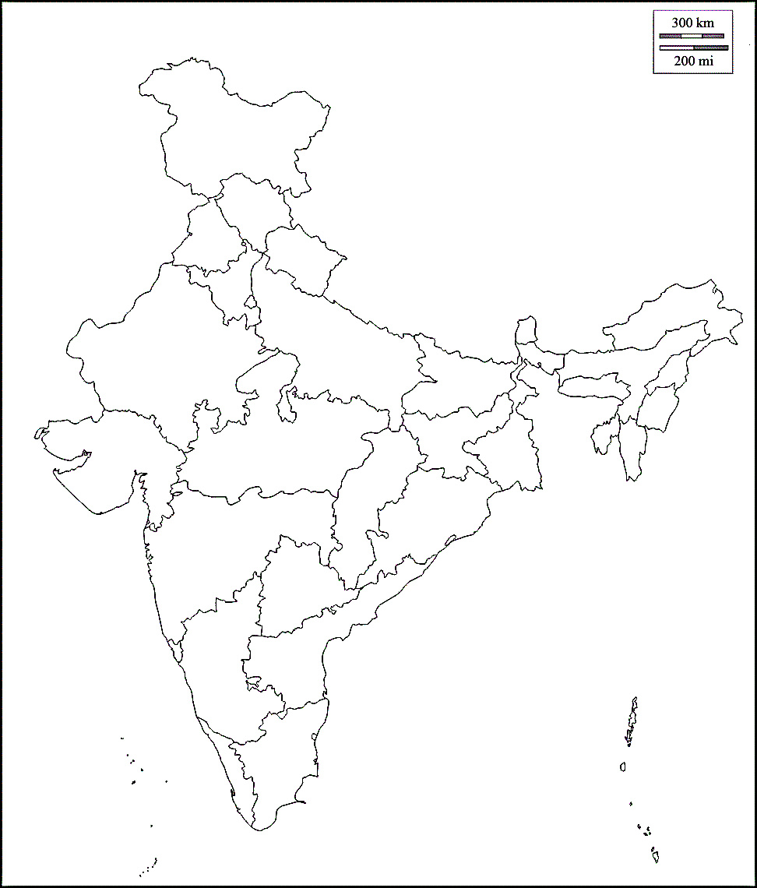

SATE/ UT | Confirmed | Active Cases | Reovered | Deaths | X | Y | SATE/ UT | Active Cases
ANDAMAN AND NICOBAR ISLANDS | 38 | 27 | 11 | 0 | 85.5 | 19 | ANDAMAN AND NICOBAR ISLANDS | 27
ANDHRA PRADESH | 1263 | 1061 | 171 | 31 | 40 | 27 | ANDHRA PRADESH | 1061
ARUNACHAL PRADESH | 2 | 1 | 1 | 0 | 93 | 67 | ARUNACHAL PRADESH | 1
ASSAM | 56 | 36 | 19 | 1 | 87 | 60 | ASSAM | 36
BIHAR | 276 | 228 | 46 | 2 | 65 | 57 | BIHAR | 228
CHATTISGARH | 43 | 28 | 15 | 0 | 50 | 43 | CHATTISGARH | 28
CHANDIGARH | 66 | 36 | 30 | 0 | 35 | 74 | CHANDIGARH | 36
DELHI | 3424 | 2514 | 857 | 53 | 36 | 67 | DELHI | 2514
GOA | 14 | 7 | 7 | 0 | 26 | 28 | GOA | 7
GUJRAT | 3207 | 2815 | 265 | 127 | 18 | 50 | GUJRAT | 2815
HARYANA | 431 | 272 | 156 | 3 | 32 | 69 | HARYANA | 272
HIMACHAL PRADESH | 59 | 40 | 18 | 1 | 37 | 77 | HIMACHAL PRADESH | 40
JAMMU AND KASHMIR | 568 | 454 | 109 | 5 | 30 | 85 | JAMMU AND KASHMIR | 454
JHARKHAND | 71 | 59 | 9 | 3 | 62 | 51 | JHARKHAND | 59
KARNATAKA | 660 | 489 | 153 | 18 | 30 | 25 | KARNATAKA | 489
KERALA | 786 | 451 | 331 | 4 | 34.5 | 13 | KERALA | 451
LADAKH | 34 | 20 | 14 | 0 | 40 | 83 | LADAKH | 20
MADHYA PRADESH | 2254 | 1952 | 210 | 92 | 40 | 50 | MADHYA PRADESH | 1952
MAHARASHTRA | 8075 | 6817 | 957 | 301 | 30 | 40 | MAHARASHTRA | 6817
MEGHALAYA | 4 | 2 | 2 | 0 | 80 | 57 | MEGHALAYA | 2
MANIPUR | 13 | 12 | 0 | 1 | 89 | 55 | MANIPUR | 12
MIZORAM | 1 | 1 | 0 | 0 | 86 | 50 | MIZORAM | 1
ODISA | 128 | 94 | 33 | 1 | 60 | 43 | ODISA | 94
PUDUCHERY | 10 | 7 | 3 | 0 | 44 | 18 | PUDUCHERY | 7
PUNJAB | 382 | 298 | 67 | 17 | 30 | 74 | PUNJAB | 298
RAJSHTAN | 2291 | 2034 | 230 | 27 | 25 | 60 | RAJSHTAN | 2034
TAMIL NADU | 2643 | 1755 | 866 | 22 | 40 | 15 | TAMIL NADU | 1755
TELANGANA | 1263 | 984 | 253 | 26 | 40 | 35 | TELANGANA | 984
TRIPURA | 3 | 2 | 1 | 0 | 82.5 | 52 | TRIPURA | 2
UTTAR PRADESH | 73 | 48 | 25 | 0 | 50 | 60 | UTTAR PRADESH | 48
UTTARA KHAND | 2052 | 1778 | 248 | 26 | 43 | 72 | UTTARA KHAND | 1778
WEST BENGAL | 692 | 571 | 103 | 18 | 70 | 50 | WEST BENGAL | 571

Total | 30882 | 24893 | 5210 | 779

Growth in India
00-01-00 | 1
Main article: Timeline of the 2020 coronavirus pandemic in India | 2
COVID-19 cases in India ( | 3
00-01-00 | 5
v | 6
t | 28
e | 30
00-01-00 | 31
) | 34
Deaths Recoveries Active cases | 39
00-01-00 | 44
Jan Jan Feb Feb Mar Mar Apr Apr Last 15 days Last 15 days | 50
00-01-00 | 60
Date | 74
30-01-20 | 81
⋮ | 84
02-02-20 | 110
03-02-20 | 114
⋮ | 137
02-03-20 | 151
00-01-00 | 173
03-03-20 | 223
00-01-00 | 315
04-03-20 | 360
00-01-00 | 468
05-03-20 | 519
00-01-00 | 606
06-03-20 | 694
00-01-00 | 834
07-03-20 | 918
00-01-00 | 1024
08-03-20 | 1251
00-01-00 | 1397
09-03-20 | 1834
00-01-00 | 2069
10-03-20 | 2547
00-01-00 | 3072
11-03-20 | 3577
00-01-00 | 4281
12-03-20 | 4789
00-01-00 | 5274
00-01-00 | 5865
13-03-20 | 6761
00-01-00 | 7529
00-01-00 | 8447
14-03-20 | 9152
Date
Date | # of cases
0 | 0 |  | 1
Main article: Timeline of the 2020 coronavirus pandemic in India | 0 | (+100%) | 2 | (+1)
COVID-19 cases in India ( | 0 | (+50%) | 3 | +1)
0 | 0 | (+67%) | 5 | +2)
v | 0 | (+20%) | 6 | +1)
t | 0 | (+367%) | 28 | +22)
e | 0 | (+7%) | 30 | +2)
0 | 0 | (+3%) | 31 | +1)
) | 0 | (+10%) | 34 | +3)
Deaths Recoveries Active cases | 0 | (+15%) | 39 | +5)
0 | 0 | (+13%) | 44 | +5)
Jan Jan Feb Feb Mar Mar Apr Apr Last 15 days Last 15 days | 0 | (+14%) | 50 | +6)
0 | 0 | (+20%) | 60 | +10)
Date | # of cases | (+23%) | 74 | +14)
2020-01-30 | 1(n.a.) | (+9%) | 81 | +7)
⋮ | 1(=) | (+4%) | 84 | +3)
2020-02-02 | 2(+100%) | (+31%) | 110 | +26)
2020-02-03 | 3(+50%) | (+4%) | 114 | +4)
⋮ | 3(=) | (+20%) | 137 | +23)
2020-03-02 | 5(+67%) | (+10%) | 151 | +14)
0 | 0 | (+15%) | 173 | +22)
2020-03-03 | 6(+20%) | (+29%) | 223 | +50)
0 | 0 | (+41%) | 315 | +92)
2020-03-04 | 28(+367%) | (+14%) | 360 | +45)
0 | 0 | (+30%) | 468 | +108)
2020-03-05 | 30(+7%) | (+11%) | 519 | +51)
0 | 0 | (+17%) | 606 | +87)
2020-03-06 | 31(+3%) | (+15%) | 694 | +88)
0 | 0 | (+20%) | 834 | +140)
2020-03-07 | 34(+10%) | (+10%) | 918 | +84)
0 | 0 | (+12%) | 1,024 | +106)
2020-03-08 | 39(+15%) | (+22%) | 1,251 | +227)
0 | 0 | (+12%) | 1,397 | +146)
2020-03-09 | 44(+13%) | (+31%) | 1,834 | +437)
0 | 0 | (+13%) | 2,069 | +235)
2020-03-10 | 50(+14%) | (+23%) | 2,547 | +478)
0 | 0 | (+21%) | 3,072 | +525)
2020-03-11 | 60(+20%) | (+16%) | 3,577 | +505)
0 | 0 | (+20%) | 4,281 | +704)
2020-03-12 | 74(+23%) | (+12%) | 4,789 | +508)
0 | 0 | (+10%) | 5,274 | +485)
0 | 0 | (+11%) | 5,865 | +591)
2020-03-13 | 81(+9%) | (+15%) | 6,761 | +896)
0 | 0 | (+11%) | 7,529 | +768)
0 | 0 | (+12%) | 8,447 | +918)
2020-03-14 | 84(+4%) | (+8%) | 9,152 | +705)

